Sheet2
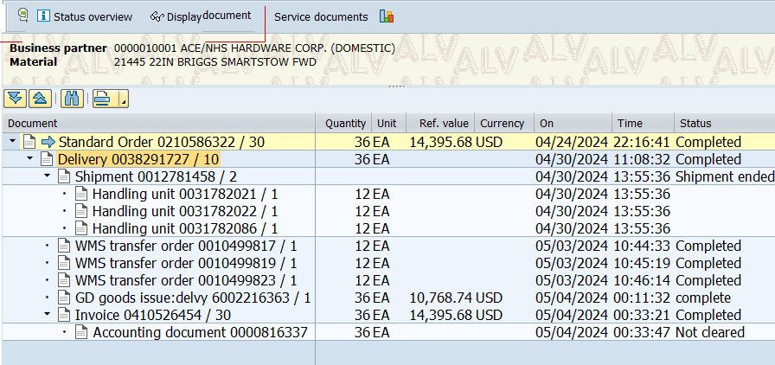

Sheet1
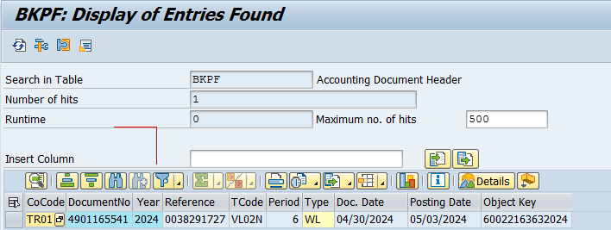
BKPF

BUKRS | BELNR | GJAHR | XBLNR | MONAT | BLART | BLDAT | BUDAT | AWKEY | TCODE
TR01 | 4901165541 | 2024 | 0038291727 | 6 | WL | 2024-04-30 | 2024-05-03 | 60022163632024 | VL02N
Company Code | Document Number | Fiscal Year | Reference | Posting period | Document type | Document Date | Posting Date | Object key | Transaction Code

BSEG

BUKRS | BELNR | GJAHR | VBELN | GSBER | WERKS | BUZEI | BUZID | HKONT | MENGE | KUNNR | BSCHL | SHKZG | PSWBT | DMBTR | VBEL2 | POSN2
TR01 | 4901165541 | 2024 | 38291727 | CONS | 1133 | 2 | S | 43000 | 36 | 10001 | 81 | S | 10,768.74 | 10,768.74 | 210586322 | 30
TR01 | 4901165541 | 2024 | 38291727 | CONS | 1133 | 4 | S | 43000 | 24 | 10001 | 81 | S | 7,580.34 | 7,580.34 | 210586322 | 40
TR01 | 4901165541 | 2024 | 38291727 | CONS | 1133 | 6 | S | 43000 | 25 | 10001 | 81 | S | 8,086.87 | 8,086.87 | 210586322 | 50
TR01 | 4901165541 | 2024 | 38291727 | CONS | 1133 | 8 | S | 43000 | 4 | 10001 | 81 | S | 2,037.42 | 2,037.42 | 210586322 | 70
 |  |  |  |  |  |  | S |  | 89 |  |  |  | 28,473.37 | 28,473.37
 |  |  |  |  |  |  |  |  | 89 |  |  |  | 28,473.37 | 28,473.37
Company Code | Document Number | Fiscal Year | Billing Document | Business Area | Plant | Line item | Line item ID | G/L Account | Quantity | Customer | Posting Key | Debit/Credit ind | General ledger amount | Amt.in loc.cur. | Sales Document | Sales Document Item
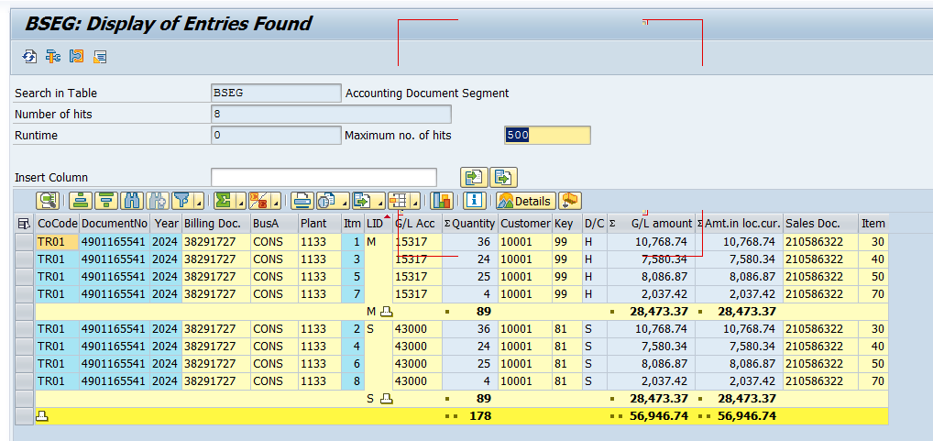

COMBINE BKPF WITH BSEG COMPLETE
PREFIX TABLE NAME WITH FIELD NAME FOR IDENTIFICATION
INCLUDE TECHNICAL AND TEXT BOTH NAMES AS FIELD NAME

Table LIPS

VGBEL | VGPOS | VBELN | POSNR | ERDAT | ERZET | WERKS | GSBER | VRKME | MATNR | PSTYV | KOKRS | LGMNG | ZZAPWAERK | ZZKZWI1
Reference Document | Reference Item | Delivery | Item | Created On | Time | Plant | Business Area | Sales Unit | Material | Item category | Controlling Area | Actual delivery qty | Document Currency | Subtotal 1
210586322 | 30 | 38291727 | 10 | 2024-04-30 | 11:08:32 | 1133 | CONS | EA | 21445 | TAN | TORO | 36 | USD | 14,395.68
210586322 | 40 | 38291727 | 20 | 2024-04-30 | 11:08:32 | 1133 | CONS | EA | 21462 | TAN | TORO | 24 | USD | 9,446.16
210586322 | 50 | 38291727 | 30 | 2024-04-30 | 11:08:32 | 1133 | CONS | EA | 21465 | TAN | TORO | 25 | USD | 10,250.75
210586322 | 70 | 38291727 | 40 | 2024-04-30 | 11:08:32 | 1133 | CONS | EA | 21564 | TAN | TORO | 4 | USD | 2,848.04

Table VBFA
VBELV | POSNV | VBELN | POSNN | VBTYP_N | RFMNG | MEINS | RFWRT | WAERS | VBTYP_V | PLMIN | TAQUI | ERDAT | ERZET | MATNR | BWART | BDART
Preceding Document | Preceding item | Subsequent document | Subsequent item | Subsequent doc. cat. | Quantity | Base Unit of Measure | Reference value | Statistics currency | Preceding doc.categ. | Pos./neg. quantity | MM-WM confirmat.ID | Created On | Time | Material | Movement type | Requirement type
210586322 | 10 | 38277681 | 10 | J | 10 | EA |  |  | C | + |  | 04/26/2024 | 14:51:32 |  | 601 | Z4
210586322 | 10 | 410514068 | 10 | M | 10 | EA | 12,664.10 | USD | C |  |  | 2024-02-05 | 10:33:27
210586322 | 10 | 6002172760 | 1 | R | 10 | EA | 7,064.37 | USD | C |  |  | 2024-02-05 | 10:02:03 | 21219 | 601
210586322 | 20 | 38277681 | 20 | J | 48 | EA |  |  | C | + |  | 04/26/2024 | 14:51:32 |  | 601 | Z4
210586322 | 20 | 410514069 | 20 | M | 48 | EA | 18,776.16 | USD | C |  |  | 2024-02-05 | 10:33:31
210586322 | 20 | 6002172760 | 2 | R | 48 | EA | 13,677.87 | USD | C |  |  | 2024-02-05 | 10:02:03 | 21442 | 601
210586322 | 30 | 38291727 | 10 | J | 36 | EA |  |  | C | + |  | 04/30/2024 | 11:08:32 |  | 601 | Z4
210586322 | 30 | 410526454 | 30 | M | 36 | EA | 14,395.68 | USD | C |  |  | 2024-04-05 | 0:33:21
210586322 | 30 | 6002216363 | 1 | R | 36 | EA | 10,768.74 | USD | C |  |  | 2024-04-05 | 0:11:32 | 21445 | 601
210586322 | 40 | 38291727 | 20 | J | 24 | EA |  |  | C | + |  | 04/30/2024 | 11:08:32 |  | 601 | Z4
210586322 | 40 | 410526454 | 40 | M | 24 | EA | 9,446.16 | USD | C |  |  | 2024-04-05 | 0:33:21
210586322 | 40 | 6002216363 | 2 | R | 24 | EA | 7,580.34 | USD | C |  |  | 2024-04-05 | 0:11:32 | 21462 | 601
210586322 | 50 | 38291727 | 30 | J | 25 | EA |  |  | C | + |  | 04/30/2024 | 11:08:32 |  | 601 | Z4
210586322 | 50 | 410526454 | 50 | M | 25 | EA | 10,250.75 | USD | C |  |  | 2024-04-05 | 0:33:21
210586322 | 50 | 6002216363 | 3 | R | 25 | EA | 8,086.87 | USD | C |  |  | 2024-04-05 | 0:11:32 | 21465 | 601
210586322 | 70 | 38291727 | 40 | J | 4 | EA |  |  | C | + |  | 04/30/2024 | 11:08:32 |  | 601 | Z4
210586322 | 70 | 410526455 | 70 | M | 4 | EA | 2,848.04 | USD | C |  |  | 2024-04-05 | 0:33:24
210586322 | 70 | 6002216363 | 4 | R | 4 | EA | 2,037.42 | USD | C |  |  | 2024-04-05 | 0:11:32 | 21564 | 601

COMBINED Table LIPS

VGBEL | VGPOS | VBELN | POSNR | ERDAT | ERZET | WERKS | GSBER | VRKME | MATNR | PSTYV | KOKRS | LGMNG | ZZAPWAERK | ZZKZWI1 | VBELV | POSNV | VBELN | POSNN | VBTYP_N | WAERS | RFWRT | ERDAT | VBELV | POSNV | VBELN | POSNN | VBTYP_N | RFWRT | WAERS | ERDAT | VBELV | POSNV | VBELN | POSNN | VBTYP_N | RFWRT | WAERS | ERDAT
Reference Document | Reference Item | Delivery | Item | Created On | Time | Plant | Business Area | Sales Unit | Material | Item category | Controlling Area | Actual delivery qty | Document Currency | Subtotal 1 | Preceding Document | Preceding item | Subsequent document | Subsequent item | Subsequent doc. cat. | Statistics currency | Reference value | Created On | Preceding Document | Preceding item | Subsequent document | Subsequent item | Subsequent doc. cat. | Reference value | Statistics currency | Created On | Preceding Document | Preceding item | Subsequent document | Subsequent item | Subsequent doc. cat. | Reference value | Statistics currency | Created On
210586322 | 30 | 38291727 | 10 | 2024-04-30 | 11:08:32 | 1133 | CONS | EA | 21445 | TAN | TORO | 36 | USD | 14,395.68 | 210586322 | 30 | 38291727 | 10 | J |  |  | 04/30/2024 | 210586322 | 30 | 410526454 | 30 | M | 14,395.68 | USD | 2024-04-05 | 210586322 | 30 | 6002216363 | 1 | R | 10,768.74 | USD | 2024-04-05
210586322 | 40 | 38291727 | 20 | 2024-04-30 | 11:08:32 | 1133 | CONS | EA | 21462 | TAN | TORO | 24 | USD | 9,446.16 | SIMILAR FOR OTHER ITEMS
210586322 | 50 | 38291727 | 30 | 2024-04-30 | 11:08:32 | 1133 | CONS | EA | 21465 | TAN | TORO | 25 | USD | 10,250.75 | SIMILAR FOR OTHER ITEMS
210586322 | 70 | 38291727 | 40 | 2024-04-30 | 11:08:32 | 1133 | CONS | EA | 21564 | TAN | TORO | 4 | USD | 2,848.04 | SIMILAR FOR OTHER ITEMS

